1
 | FURUKAWA AUTOMOTIVE SYSTEMS LIMA PHILIPPINES, INC. |  |  |  |  | Employee Management System Work Instructions |  |  |  |  |  | DOCUMENT TYPE: | WORK INSTRUCTION | PAGE NO.: | 1 /4
 |  |  |  |  |  |  |  |  |  |  |  | DOCUMENT NO.: | REVISION NO.: | EFFECTIVITY DATE:
 |  |  |  |  |  |  |  |  |  |  |  | 1 | 0
CAR MODEL |  | MATERIALS |  |  |  |  |  | DEVICES / EQUIPMENT USED |  |  | REFERENCE
N/A |  | Computer Application |  |  |  |  |  | Computer |  |  | N/A

FORMS |  |  |  |  | PURPOSE |  |  |  | SCOPE
 |  |  |  |  | To provide a work instructions on how to time in, time out, and set line support using the Employee Management System |  |  |  | To detail the process on how to time in, time out, and set line support using the Employee Management System
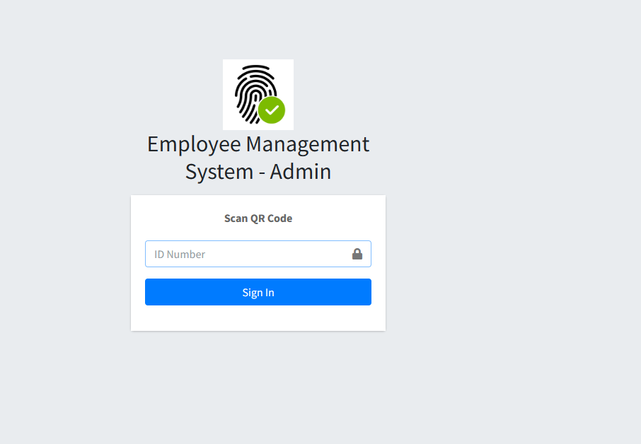
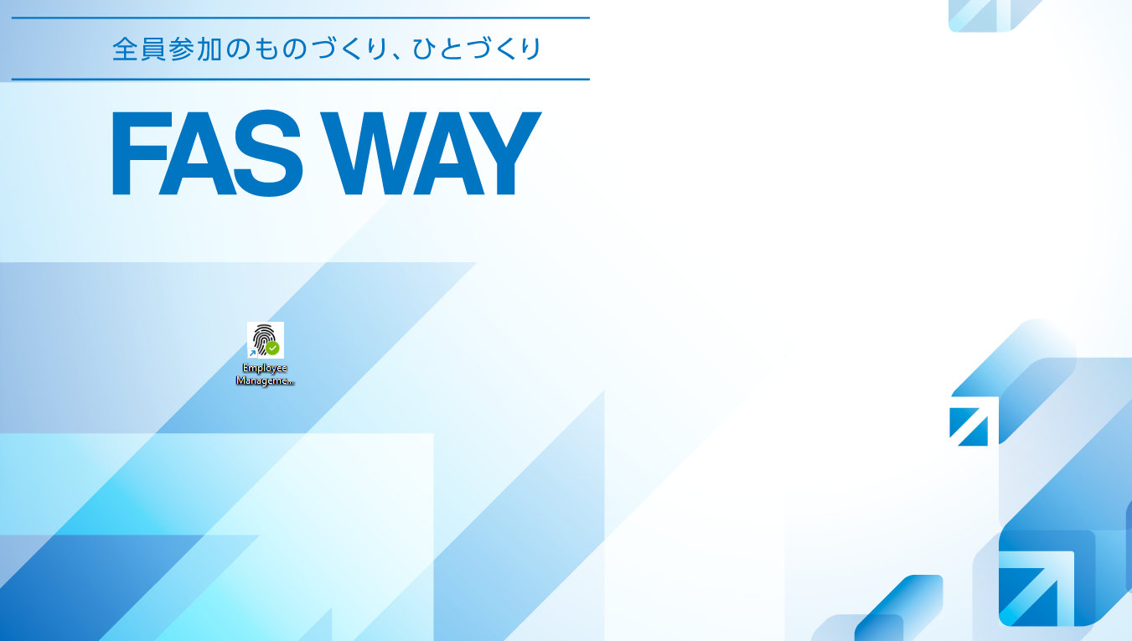
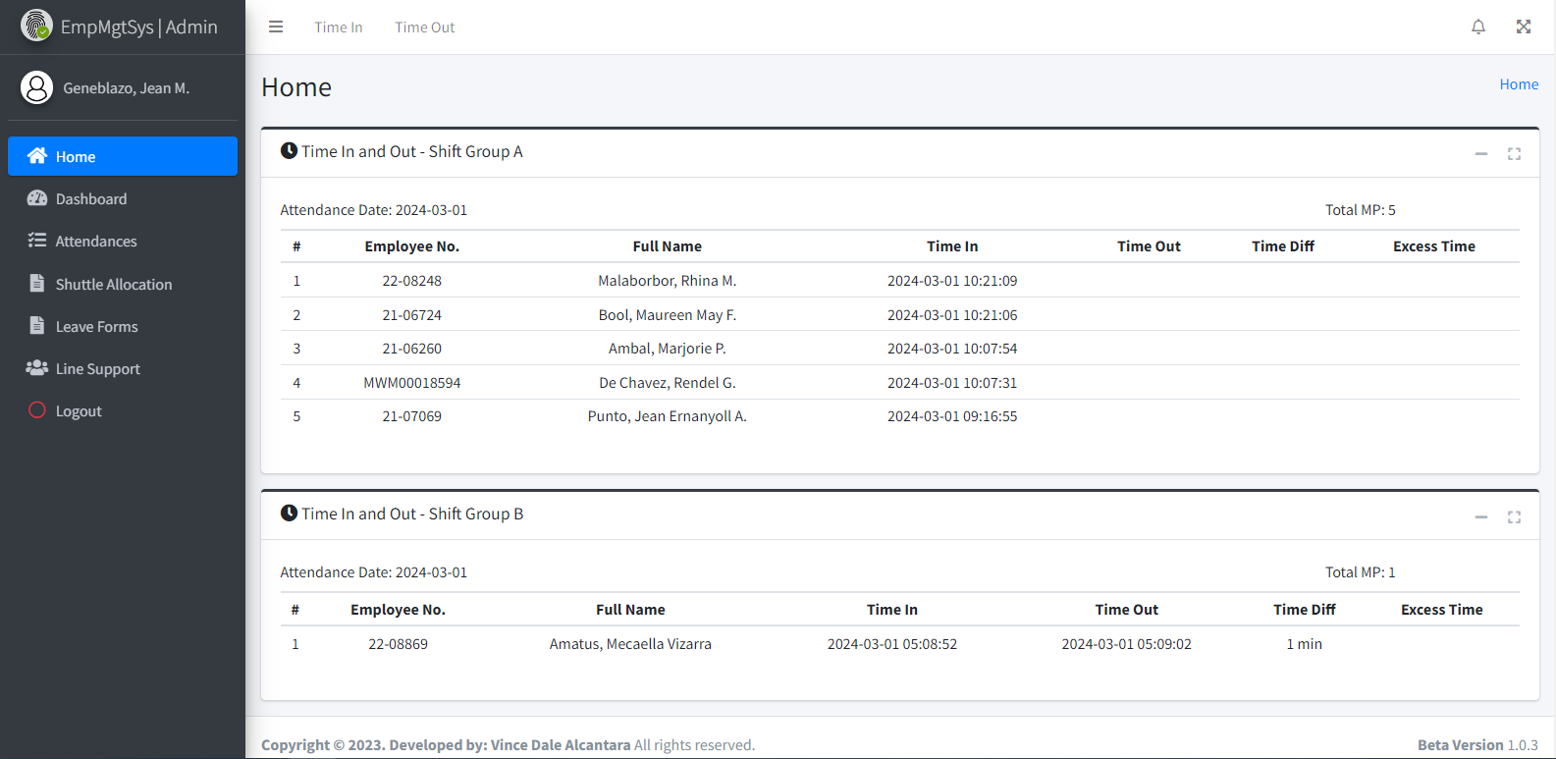
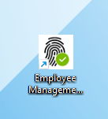
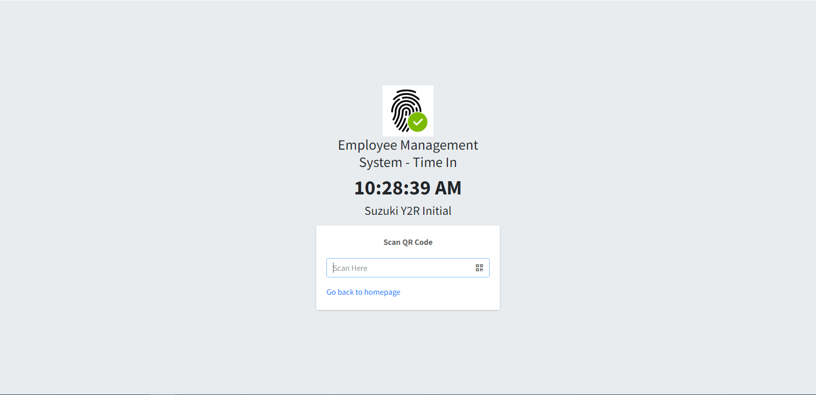
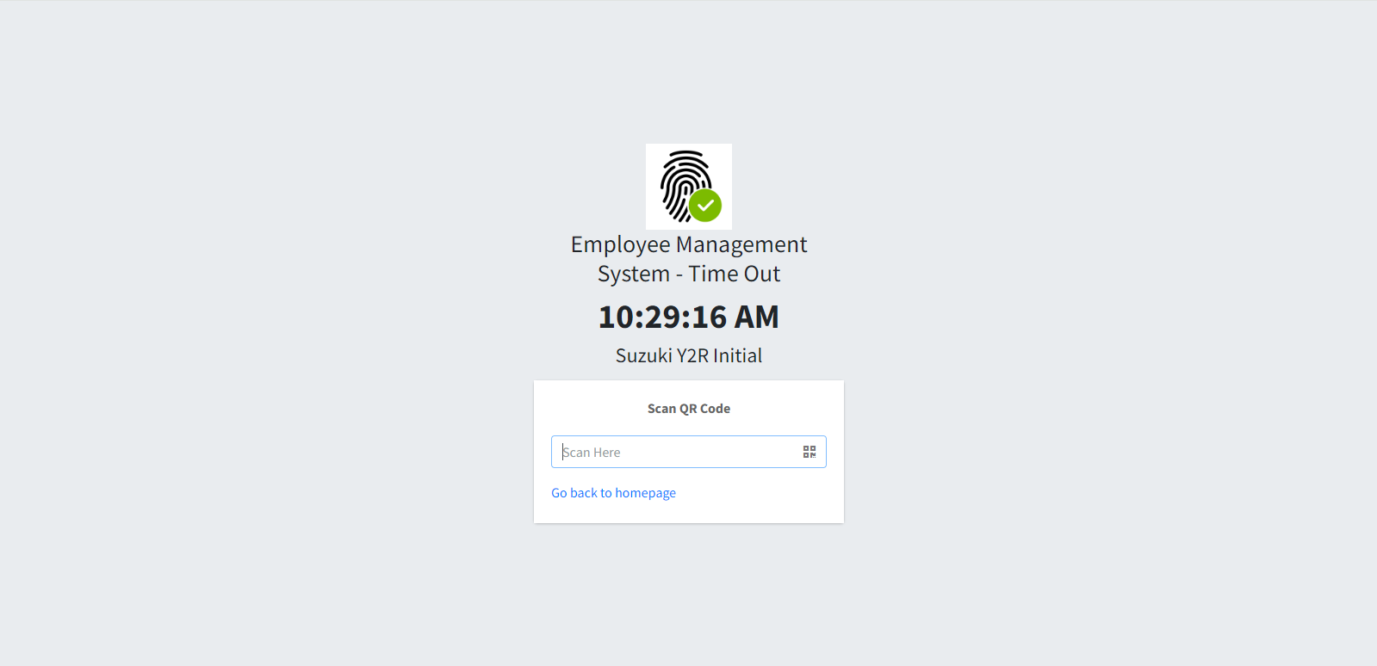
1
Click the 'Time In' menu from the top navigation bar.
3
Click the 'Time Out' menu in the top navigation bar.
5
Time In
Time Out
Login to Employee Management System - Admin on a registered computer by scanning QR Code of PIC (Expert, Jr. Staff, Staff, Supervisor) to access the system.
2
Click on the input field to focus, and use a barcode scanner to scan the employee's QR Code to record their time in.
4
Click on the input field to focus, and use a barcode scanner to scan the employee's QR Code to record their time out.
6
Get started by going to your dektop and look for your Employee Management System Logo.
URL : http://172.25.116.188:3000/emp_mgt/admin/

 |  |  |  |  |  |  |  |  |  | Amazon.com: Ethernet Cable Labels

 |  |  |  |  |  |  |  |  |  |  |  |  |  |  |  | s

0
DR/CN No. |  |  | Revision No. | Effectivity Date |  |  | Details of change
 |  |  | 0 |  |  |  | First Issue

2
 | FURUKAWA AUTOMOTIVE SYSTEMS LIMA PHILIPPINES, INC. |  |  |  |  | Employee Management System Work Instructions |  |  |  |  |  | DOCUMENT TYPE: | WORK INSTRUCTION | PAGE NO.: | 2 / 4
 |  |  |  |  |  |  |  |  |  |  |  | DOCUMENT NO.: | REVISION NO.: | EFFECTIVITY DATE:
 |  |  |  |  |  |  |  |  |  |  |  | 1 | 0
CAR MODEL |  | MATERIALS |  |  |  |  |  | DEVICES / EQUIPMENT USED |  |  | REFERENCE
N/A |  | Computer Application |  |  |  |  |  | Computer |  |  | N/A

FORMS |  |  |  |  | PURPOSE |  |  |  | SCOPE
 |  |  |  |  | To provide a work instructions on how to time in, time out, and set line support using the Employee Management System |  |  |  | To detail the process on how to time in, time out, and set line support using the Employee Management System

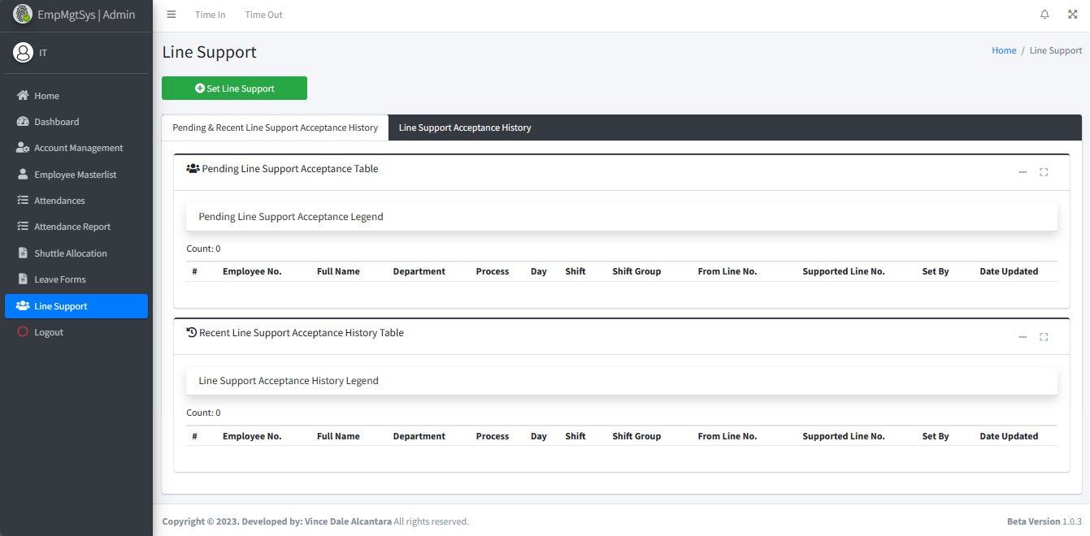
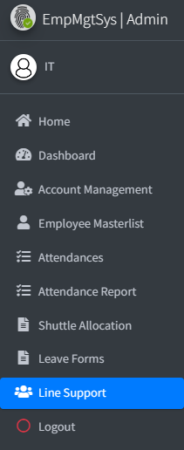

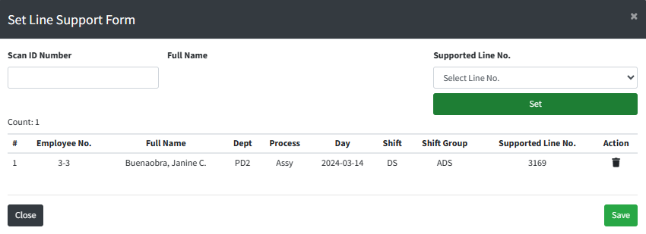
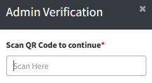
Scan QR Code of the employee you wish to support. After scanning this will show its fullname. Choose from the dropdown of which line to support. Click set button
8.1
Click "Set Line Support" button
8
Click "Line Support" menu item on sidebar
7
The table will show the current employees you set for line support. You may add another employee as well. To confirm this employee for line support, click save button
8.2

8.4

The pending line support acceptance table will update automatically for the line support set and for incoming line support for acceptance.

 |  |  |  |  |  |  |  |  |  | Amazon.com: Ethernet Cable Labels

Notes: The other line's point of view (Accept or Reject Line Support)

9

A notification box will appear depending to the count of new pending line support



8.3
10

An Admin Verification Box will appear. Scan QR Code of PIC (Expert, Jr. Staff, Staff, Supervisor). This will show you message box that the set line support form was added for acceptance successfully
The notification will display counts for every status of line support acceptance. You may click on this notification or to "Line Support" menu item on sidebar to redirect on line support page

 |  |  |  |  |  |  |  |  |  |  |  |  |  |  |  | s

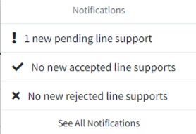

0
DR/CN No. |  |  | Revision No. | Effectivity Date |  |  | Details of change
 |  |  | 0 |  |  |  | First Issue

3
 | FURUKAWA AUTOMOTIVE SYSTEMS LIMA PHILIPPINES, INC. |  |  |  |  | Employee Management System Work Instructions |  |  |  |  |  | DOCUMENT TYPE: | WORK INSTRUCTION | PAGE NO.: | 3 / 4
 |  |  |  |  |  |  |  |  |  |  |  | DOCUMENT NO.: | REVISION NO.: | EFFECTIVITY DATE:
 |  |  |  |  |  |  |  |  |  |  |  | 1 | 0
CAR MODEL |  | MATERIALS |  |  |  |  |  | DEVICES / EQUIPMENT USED |  |  | REFERENCE
N/A |  | Computer Application |  |  |  |  |  | Computer |  |  | N/A

FORMS |  |  |  |  | PURPOSE |  |  |  | SCOPE
 |  |  |  |  | To provide a work instructions on how to time in, time out, and set line support using the Employee Management System |  |  |  | To detail the process on how to time in, time out, and set line support using the Employee Management System

From the pending line support acceptance table, Click on the desired row on which employee you will accept or reject during the line support acceptance
11

Notes: Upon clicking on the button, a message box will appear that shows accepted or rejected successfully.
You will see that Recent Line Support Acceptance History Table will automatically updated and you can click to the recent line support to show its details.
11.2
The line support history dialog box shows details of the line support acceptance. This will allow the employee to scan their QR Code on time out to the line supported.
11.3
Notes: End of the other line's point of view

Notes: Back to the line who set line support

 |  |  |  |  |  |  |  |  |  | Amazon.com: Ethernet Cable Labels

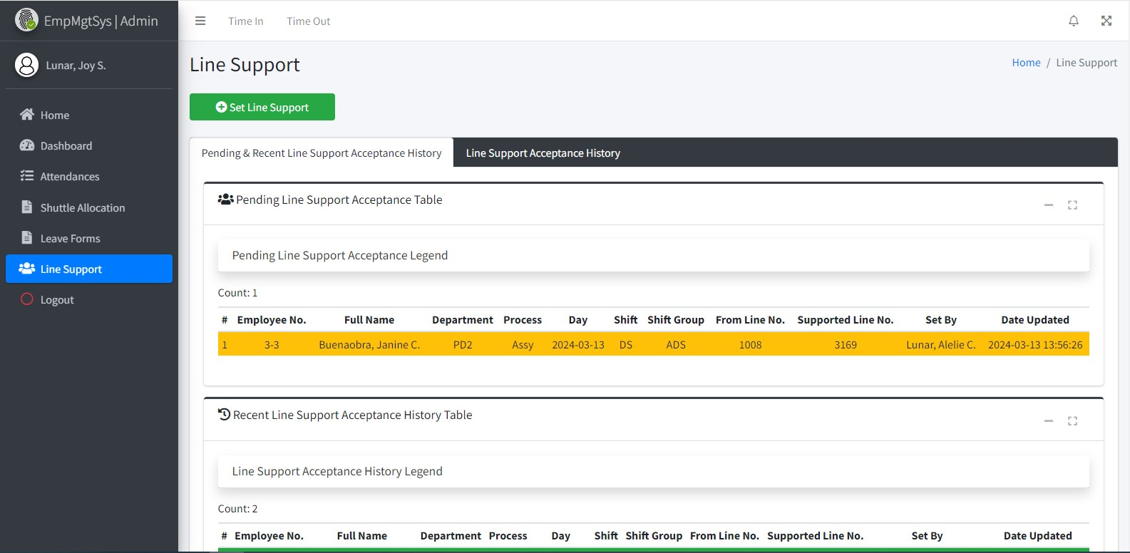
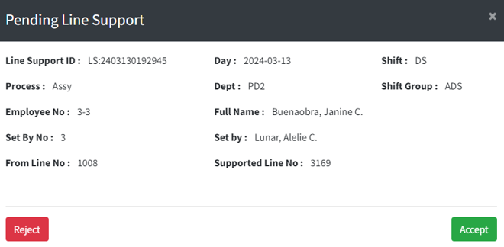
A pending line support dialog box will appear. Choose from the buttons either clicking "Accept" button to accept or "Reject" button to reject line support.
11.1
12

A notification box will appear depending to the count of new accepted or rejected line support

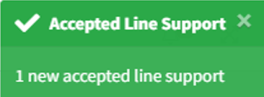

13

The notification will display counts for every status of line support acceptance. You may click on this notification or to "Line Support" menu item on sidebar to redirect on line support page

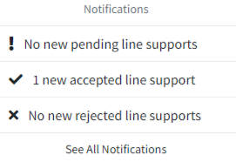

 |  |  |  |  |  |  |  |  |  |  |  |  |  |  |  | s

0
DR/CN No. |  |  | Revision No. | Effectivity Date |  |  | Details of change
 |  |  | 0 |  |  |  | First Issue

4
 | FURUKAWA AUTOMOTIVE SYSTEMS LIMA PHILIPPINES, INC. |  |  |  |  | Employee Management System Work Instructions |  |  |  |  |  | DOCUMENT TYPE: | WORK INSTRUCTION | PAGE NO.: | 4 / 4
 |  |  |  |  |  |  |  |  |  |  |  | DOCUMENT NO.: | REVISION NO.: | EFFECTIVITY DATE:
 |  |  |  |  |  |  |  |  |  |  |  | 1 | 0
CAR MODEL |  | MATERIALS |  |  |  |  |  | DEVICES / EQUIPMENT USED |  |  | REFERENCE
N/A |  | Computer Application |  |  |  |  |  | Computer |  |  | N/A

FORMS |  |  |  |  | PURPOSE |  |  |  | SCOPE
 |  |  |  |  | To provide a work instructions on how to time in, time out, and set line support using the Employee Management System |  |  |  | To detail the process on how to time in, time out, and set line support using the Employee Management System

14

You will see that Recent Line Support Acceptance History Table will automatically updated and you can click to the recent line support to show its details

 |  |  |  |  |  |  |  |  |  | Amazon.com: Ethernet Cable Labels

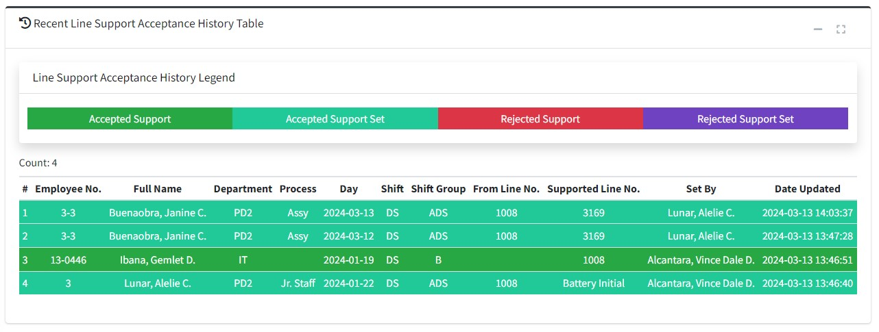

14.1

The line support history dialog box shows details of the line support acceptance. This will allow the employee to scan their QR Code on time out to the line supported.

 |  |  |  |  |  |  |  |  |  |  |  |  |  |  |  | s

0
DR/CN No. |  |  | Revision No. | Effectivity Date |  |  | Details of change
 |  |  | 0 |  |  |  | First Issue

